Charts
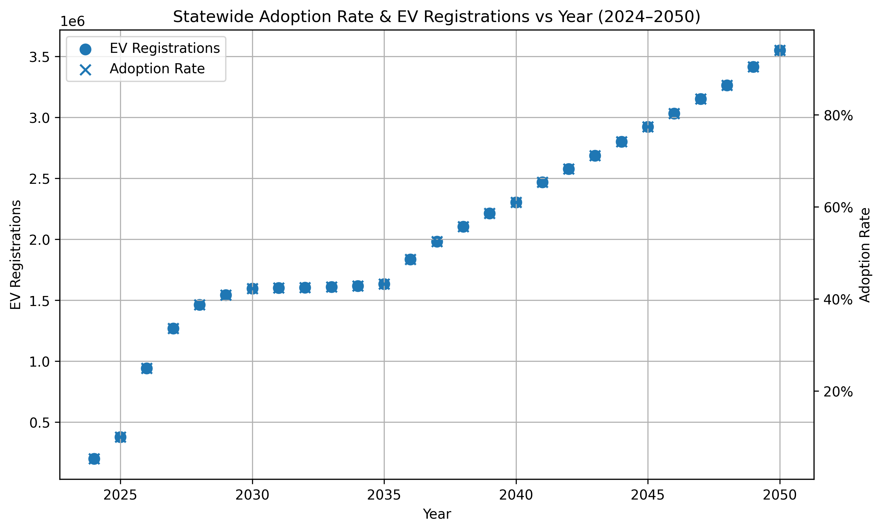

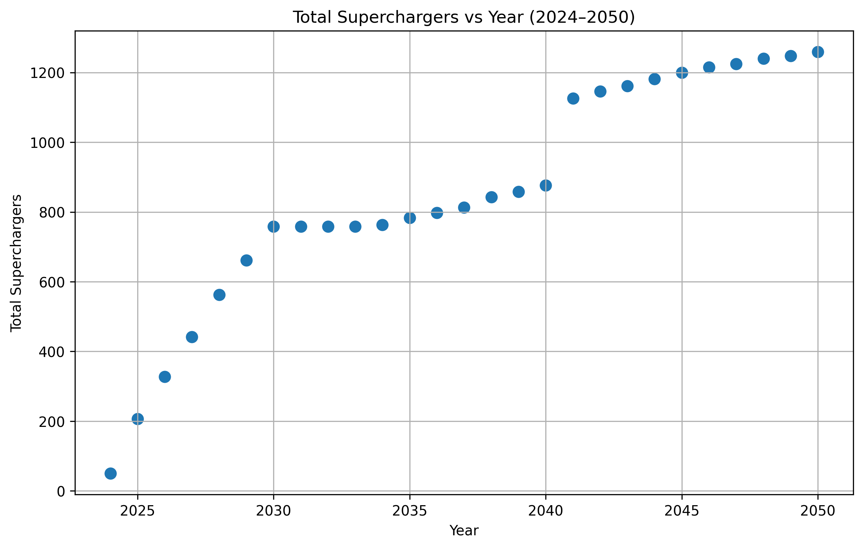

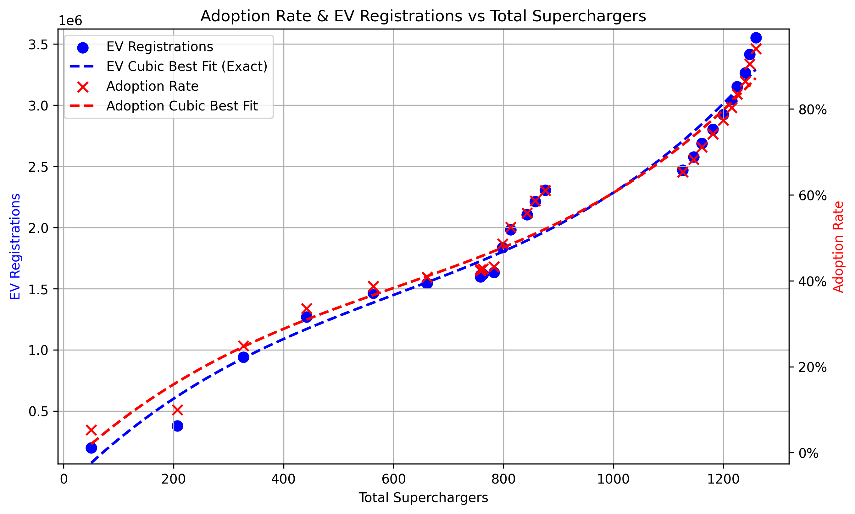

Best-fit curves for Chart 3:
EV Registrations best-fit (Cubic, R²=0.9647): y = 0.0026120043*x^3 + -4.7343743373*x^2 + 4547.3532407731*x + -140511.0057756579
Adoption Rate best-fit (Cubic, R²=0.9647): y = 0.0000000007*x^3 + -0.0000012533*x^2 + 0.0012038019*x + -0.0371968938

Note: Adoption rate y is in decimal form (0–1).

